H2O wSeal
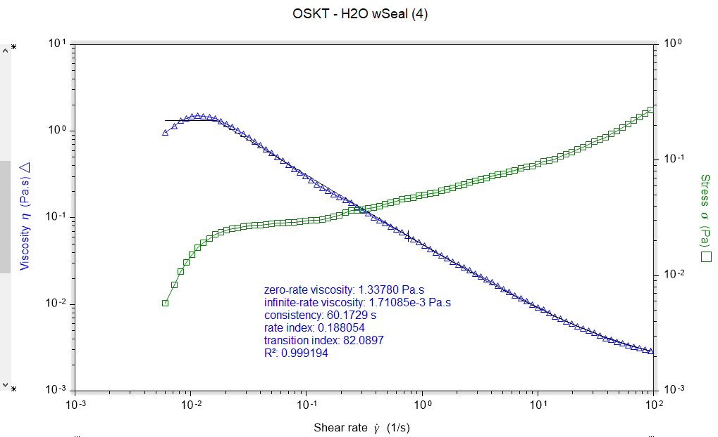
Stress | Shear rate | Viscosity | Step time | Temperature | Normal stress | Axial force | Gap | Time | Torque | Velocity | Normal stress coefficient
Pa | 1/s | Pa.s | s | °C | Pa | N | µm | s | µN.m | rad/s | Pa.s²
5.74E-03 | 5.98E-03 | 0.959549 | 2.41257 | 20 | -26.2772 | -0.0371485 | 20.0142 | 2.41257 | 0.324432 | 1.04E-04 | -735042
8.32E-03 | 7.27E-03 | 1.1445 | 5.37398 | 19.995 | -25.9479 | -0.036683 | 20.0158 | 5.37398 | 0.470322 | 1.26E-04 | -491345
0.0108625 | 8.19E-03 | 1.32658 | 8.84739 | 20.003 | -26.2635 | -0.0371292 | 20.0158 | 8.84739 | 0.614257 | 1.42E-04 | -391709
0.0129804 | 9.18E-03 | 1.41348 | 12.3208 | 20.005 | -25.7591 | -0.0364161 | 20.0269 | 12.3208 | 0.734025 | 1.60E-04 | -305447
0.0151274 | 0.010264 | 1.47384 | 15.7942 | 20.003 | -25.4718 | -0.0360099 | 20.0242 | 15.7942 | 0.855437 | 1.79E-04 | -241784
0.0173404 | 0.0115477 | 1.50163 | 19.3332 | 19.997 | -25.6522 | -0.0362649 | 20.0234 | 19.3332 | 0.980575 | 2.01E-04 | -192369
0.0192099 | 0.0129053 | 1.48853 | 22.8066 | 20.004 | -25.8385 | -0.0365284 | 20.0258 | 22.8066 | 1.08629 | 2.25E-04 | -155143
0.0210087 | 0.0144678 | 1.4521 | 26.28 | 19.997 | -25.6716 | -0.0362923 | 20.0315 | 26.28 | 1.18802 | 2.52E-04 | -122644
0.0226824 | 0.0162127 | 1.39906 | 29.8189 | 19.999 | -25.9296 | -0.0366571 | 20.0294 | 29.8189 | 1.28266 | 2.82E-04 | -98647.9
0.0237999 | 0.0181563 | 1.31083 | 33.2923 | 19.998 | -26.5644 | -0.0375545 | 20.02 | 33.2923 | 1.34586 | 3.16E-04 | -80583
0.0247832 | 0.0203359 | 1.21869 | 36.7657 | 19.999 | -25.5102 | -0.0360641 | 20.0246 | 36.7657 | 1.40146 | 3.54E-04 | -61686.2
0.0254066 | 0.0227476 | 1.11689 | 40.2391 | 20.005 | -25.9361 | -0.0366663 | 20.0293 | 40.2391 | 1.43671 | 3.96E-04 | -50122.6
0.0258494 | 0.0254443 | 1.01592 | 43.7125 | 20.003 | -25.9099 | -0.0366293 | 20.0334 | 43.7125 | 1.46175 | 4.43E-04 | -40020.8
0.0264609 | 0.0285311 | 0.927439 | 47.2515 | 20.001 | -25.8511 | -0.0365461 | 20.0204 | 47.2515 | 1.49633 | 4.96E-04 | -31757.1
0.0268691 | 0.0319112 | 0.841996 | 50.7249 | 20.006 | -25.6423 | -0.0362509 | 20.0257 | 50.7249 | 1.51941 | 5.55E-04 | -25180.9
0.0271579 | 0.0357073 | 0.760572 | 54.1983 | 19.998 | -24.928 | -0.0352412 | 20.0292 | 54.1983 | 1.53575 | 6.21E-04 | -19551.3
0.0273652 | 0.0399395 | 0.685168 | 57.6717 | 20.006 | -26.0196 | -0.0367844 | 20.0328 | 57.6717 | 1.54747 | 6.95E-04 | -16311.6
0.027673 | 0.0446711 | 0.619484 | 61.1451 | 19.995 | -25.6748 | -0.0362968 | 20.0163 | 61.1451 | 1.56487 | 7.77E-04 | -12866.3
0.0279815 | 0.050095 | 0.558568 | 64.6841 | 19.997 | -25.2087 | -0.0356379 | 20.0275 | 64.6841 | 1.58231 | 8.72E-04 | -10045.3
0.028381 | 0.0560356 | 0.506482 | 68.1575 | 19.997 | -25.5612 | -0.0361363 | 20.0318 | 68.1575 | 1.60491 | 9.75E-04 | -8140.56
0.0285493 | 0.06259 | 0.456132 | 71.6309 | 20 | -23.9972 | -0.0339252 | 20.0224 | 71.6309 | 1.61443 | 1.09E-03 | -6125.63
0.0286922 | 0.0701872 | 0.408796 | 75.1698 | 20.004 | -24.9683 | -0.0352981 | 20.0263 | 75.1698 | 1.62251 | 1.22E-03 | -5068.43
0.0289043 | 0.0785181 | 0.368123 | 78.6432 | 20.002 | -25.2807 | -0.0357398 | 20.029 | 78.6432 | 1.6345 | 1.37E-03 | -4100.62
0.0291546 | 0.0878598 | 0.33183 | 82.1166 | 20.003 | -25.815 | -0.0364951 | 20.0223 | 82.1166 | 1.64865 | 1.53E-03 | -3344.19
0.0296708 | 0.0982948 | 0.301856 | 85.59 | 19.992 | -25.5046 | -0.0360562 | 20.0335 | 85.59 | 1.67785 | 1.71E-03 | -2639.71
0.029911 | 0.109978 | 0.271971 | 89.0635 | 20.003 | -25.2492 | -0.0356953 | 20.0205 | 89.0635 | 1.69143 | 1.91E-03 | -2087.53
0.0300261 | 0.123297 | 0.243528 | 92.6024 | 19.997 | -25.6831 | -0.0363086 | 20.0229 | 92.6024 | 1.69794 | 2.15E-03 | -1689.45
0.0306805 | 0.137995 | 0.222331 | 96.0758 | 19.999 | -24.715 | -0.03494 | 20.026 | 96.0758 | 1.73494 | 2.40E-03 | -1297.88
0.0314958 | 0.15435 | 0.204055 | 99.5492 | 20.003 | -25.6343 | -0.0362396 | 20.0221 | 99.5492 | 1.78105 | 2.69E-03 | -1076
0.0322476 | 0.172684 | 0.186743 | 103.023 | 19.998 | -25.0227 | -0.035375 | 20.0231 | 103.023 | 1.82356 | 3.00E-03 | -839.128
0.0333319 | 0.193141 | 0.172578 | 106.496 | 19.998 | -25.8875 | -0.0365976 | 20.0174 | 106.496 | 1.88487 | 3.36E-03 | -693.971
0.0350034 | 0.216655 | 0.161563 | 110.035 | 20.002 | -24.4114 | -0.0345109 | 20.023 | 110.035 | 1.9794 | 3.77E-03 | -520.063
0.0363826 | 0.242266 | 0.150176 | 113.508 | 20 | -24.494 | -0.0346276 | 20.0201 | 113.508 | 2.05739 | 4.22E-03 | -417.327
0.0364764 | 0.271131 | 0.134534 | 116.982 | 20.001 | -24.4948 | -0.0346287 | 20.024 | 116.982 | 2.06269 | 4.72E-03 | -333.207
0.0369835 | 0.303388 | 0.121902 | 120.455 | 19.998 | -24.0624 | -0.0340174 | 20.0335 | 120.455 | 2.09137 | 5.28E-03 | -261.423
0.0381219 | 0.339348 | 0.112338 | 123.929 | 19.996 | -24.2292 | -0.0342533 | 20.0282 | 123.929 | 2.15574 | 5.90E-03 | -210.402
0.0385843 | 0.380448 | 0.101418 | 127.468 | 20.006 | -24.5527 | -0.0347105 | 20.0158 | 127.468 | 2.18189 | 6.62E-03 | -169.632
0.0399983 | 0.425313 | 0.0940443 | 130.941 | 19.997 | -23.7159 | -0.0335275 | 20.0233 | 130.941 | 2.26185 | 7.40E-03 | -131.106
0.04135 | 0.476191 | 0.0868348 | 134.414 | 20.001 | -23.7877 | -0.0336291 | 20.0288 | 134.414 | 2.33829 | 8.29E-03 | -104.903
0.0425168 | 0.534105 | 0.0796039 | 137.953 | 20 | -23.8175 | -0.0336712 | 20.0285 | 137.953 | 2.40427 | 9.29E-03 | -83.4916
0.0440752 | 0.597044 | 0.0738223 | 141.427 | 19.999 | -23.9029 | -0.0337919 | 20.0319 | 141.427 | 2.49239 | 0.0103885 | -67.056
0.0455222 | 0.668063 | 0.0681406 | 144.9 | 19.997 | -24.1723 | -0.0341728 | 20.0298 | 144.9 | 2.57422 | 0.0116243 | -54.1606
0.0464329 | 0.747186 | 0.0621437 | 148.374 | 20.002 | -23.4055 | -0.0330887 | 20.0219 | 148.374 | 2.62572 | 0.013001 | -41.9237
0.0474684 | 0.836273 | 0.0567618 | 151.847 | 20.001 | -23.0213 | -0.0325456 | 20.0266 | 151.847 | 2.68427 | 0.0145511 | -32.918
0.0491262 | 0.937413 | 0.0524061 | 155.386 | 20 | -22.7923 | -0.0322219 | 20.0272 | 155.386 | 2.77802 | 0.016311 | -25.9374
0.0497697 | 1.0485 | 0.0474674 | 158.859 | 20.007 | -22.8376 | -0.0322858 | 20.0293 | 158.859 | 2.81441 | 0.0182439 | -20.7735
0.0512895 | 1.17292 | 0.043728 | 162.333 | 19.991 | -23.6182 | -0.0333895 | 20.0262 | 162.333 | 2.90035 | 0.0204088 | -17.1676
0.0522151 | 1.31267 | 0.0397779 | 165.806 | 20.001 | -23.4644 | -0.033172 | 20.038 | 165.806 | 2.9527 | 0.0228403 | -13.6176
0.0540024 | 1.46817 | 0.0367821 | 169.28 | 19.995 | -23.2799 | -0.0329112 | 20.0268 | 169.28 | 3.05376 | 0.0255461 | -10.8001
0.0559066 | 1.64591 | 0.0339669 | 172.818 | 20.004 | -23.2968 | -0.0329351 | 20.0201 | 172.818 | 3.16144 | 0.0286388 | -8.5997
0.0570328 | 1.84133 | 0.0309736 | 176.292 | 19.997 | -22.8628 | -0.0323215 | 20.017 | 176.292 | 3.22513 | 0.0320391 | -6.74317
0.0594934 | 2.06005 | 0.0288796 | 179.765 | 19.994 | -23.7622 | -0.0335931 | 20.0224 | 179.765 | 3.36427 | 0.0358448 | -5.59927
0.0617978 | 2.30925 | 0.026761 | 183.304 | 19.999 | -24.3127 | -0.0343713 | 20.0294 | 183.304 | 3.49458 | 0.0401808 | -4.55924
0.0641393 | 2.5835 | 0.0248266 | 186.778 | 20.004 | -24.0377 | -0.0339825 | 20.017 | 186.778 | 3.62699 | 0.0449528 | -3.60144
0.0658651 | 2.89033 | 0.0227881 | 190.251 | 20.002 | -23.8275 | -0.0336853 | 20.0297 | 190.251 | 3.72458 | 0.0502917 | -2.85222
0.0674963 | 3.23318 | 0.0208761 | 193.724 | 19.998 | -24.4461 | -0.0345598 | 20.0209 | 193.724 | 3.81682 | 0.0562572 | -2.33857
0.0701665 | 3.61716 | 0.0193982 | 197.198 | 19.999 | -24.4961 | -0.0346305 | 20.023 | 197.198 | 3.96782 | 0.0629384 | -1.87224
0.072793 | 4.05519 | 0.0179506 | 200.737 | 20.002 | -23.8104 | -0.0336612 | 20.0191 | 200.737 | 4.11635 | 0.0705602 | -1.44792
0.0746716 | 4.53623 | 0.0164612 | 204.21 | 19.997 | -22.0412 | -0.0311601 | 20.0155 | 204.21 | 4.22258 | 0.0789302 | -1.07114
0.0764324 | 5.07511 | 0.0150603 | 207.684 | 20.004 | -23.8479 | -0.0337142 | 20.014 | 207.684 | 4.32215 | 0.0883067 | -0.92589
0.0786897 | 5.67737 | 0.0138602 | 211.157 | 20.003 | -23.1344 | -0.0327055 | 20.0147 | 211.157 | 4.4498 | 0.098786 | -0.717734
0.0808601 | 6.35128 | 0.0127313 | 214.63 | 19.999 | -25.1728 | -0.0355872 | 20.0318 | 214.63 | 4.57253 | 0.110512 | -0.624034
0.0843418 | 7.12042 | 0.0118451 | 218.169 | 20.002 | -24.3448 | -0.0344166 | 20.0239 | 218.169 | 4.76942 | 0.123895 | -0.48017
0.0871747 | 7.9654 | 0.0109442 | 221.643 | 20.002 | -23.2449 | -0.0328617 | 20.0191 | 221.643 | 4.92961 | 0.138598 | -0.366364
0.088151 | 8.91101 | 9.89E-03 | 225.116 | 19.996 | -22.5899 | -0.0319357 | 20.0038 | 225.116 | 4.98482 | 0.155051 | -0.284485
0.0928267 | 9.99042 | 9.29E-03 | 228.655 | 19.998 | -23.8799 | -0.0337594 | 20.0392 | 228.655 | 5.24923 | 0.173833 | -0.239257
0.0970108 | 11.1756 | 8.68E-03 | 232.129 | 20.003 | -23.701 | -0.0335065 | 20.0128 | 232.129 | 5.48583 | 0.194454 | -0.189771
0.0991215 | 12.5027 | 7.93E-03 | 235.602 | 19.993 | -22.8062 | -0.0322415 | 20.0148 | 235.602 | 5.60519 | 0.217547 | -0.145896
0.102108 | 13.9863 | 7.30E-03 | 239.075 | 19.995 | -22.6765 | -0.0320581 | 20.0306 | 239.075 | 5.77408 | 0.243362 | -0.115922
0.107712 | 15.6472 | 6.88E-03 | 242.549 | 19.997 | -23.5134 | -0.0332413 | 20.0237 | 242.549 | 6.091 | 0.27226 | -0.0960381
0.112467 | 17.5416 | 6.41E-03 | 246.088 | 20.004 | -24.0428 | -0.0339897 | 20.0347 | 246.088 | 6.35983 | 0.305223 | -0.0781354
0.117807 | 19.6237 | 6.00E-03 | 249.561 | 19.997 | -23.3513 | -0.0330121 | 20.0167 | 249.561 | 6.66182 | 0.341451 | -0.0606389
0.123484 | 21.9531 | 5.62E-03 | 253.035 | 20.001 | -24.5578 | -0.0347178 | 20.0226 | 253.035 | 6.98283 | 0.381983 | -0.0509563
0.12915 | 24.5589 | 5.26E-03 | 256.508 | 20.005 | -24.4004 | -0.0344953 | 20.021 | 256.508 | 7.30326 | 0.427323 | -0.0404558
0.136622 | 27.4747 | 4.97E-03 | 259.981 | 19.997 | -23.276 | -0.0329057 | 20.0223 | 259.981 | 7.72578 | 0.478059 | -0.0308348
0.144873 | 30.8017 | 4.70E-03 | 263.52 | 20 | -24.5103 | -0.0346506 | 20.023 | 263.52 | 8.19235 | 0.535949 | -0.0258344
0.150735 | 34.4567 | 4.37E-03 | 266.994 | 20.004 | -21.9641 | -0.031051 | 20.0182 | 266.994 | 8.52386 | 0.599545 | -0.0184998
0.157835 | 38.5479 | 4.09E-03 | 270.467 | 19.996 | -23.8499 | -0.033717 | 20.0231 | 270.467 | 8.92536 | 0.670732 | -0.0160504
0.1694 | 43.2155 | 3.92E-03 | 274.006 | 20.002 | -24.1735 | -0.0341745 | 20.0195 | 274.006 | 9.57936 | 0.751948 | -0.0129438
0.179471 | 48.3433 | 3.71E-03 | 277.479 | 19.999 | -22.713 | -0.0321098 | 20.011 | 277.479 | 10.1488 | 0.841171 | -9.72E-03
0.192601 | 54.0843 | 3.56E-03 | 280.953 | 20 | -22.964 | -0.0324646 | 20.026 | 280.953 | 10.8913 | 0.941064 | -7.85E-03
0.20493 | 60.502 | 3.39E-03 | 284.426 | 20.006 | -25.038 | -0.0353966 | 20.0146 | 284.426 | 11.5885 | 1.05273 | -6.84E-03
0.22069 | 67.6866 | 3.26E-03 | 287.9 | 20 | -23.8242 | -0.0336807 | 20.0049 | 287.9 | 12.4798 | 1.17774 | -5.20E-03
0.236282 | 75.8812 | 3.11E-03 | 291.439 | 19.998 | -23.1766 | -0.0327651 | 20.0223 | 291.439 | 13.3614 | 1.32033 | -4.03E-03
0.253821 | 84.8862 | 2.99E-03 | 294.912 | 19.999 | -24.0186 | -0.0339555 | 20.0179 | 294.912 | 14.3532 | 1.47702 | -3.33E-03
0.272407 | 94.5577 | 2.88E-03 | 298.254 | 20.002 | -23.7631 | -0.0335944 | 20.0152 | 298.254 | 15.4043 | 1.6453 | -2.66E-03

H2O nSeal
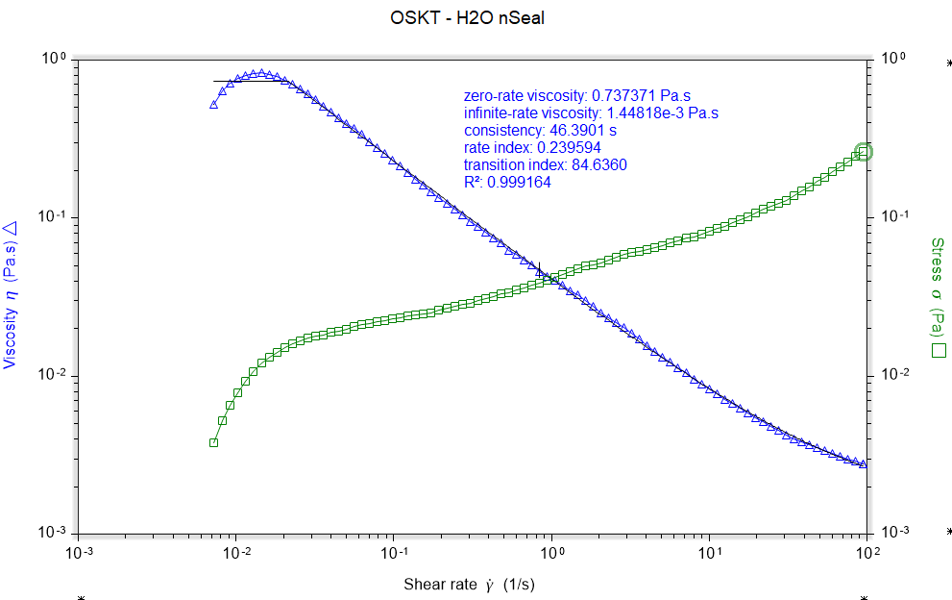
Stress | Shear rate | Viscosity | Step time | Temperature | Normal stress | Axial force | Gap | Normal stress coefficient | Time | Torque | Velocity
Pa | 1/s | Pa.s | s | °C | Pa | N | µm | Pa.s² | s | µN.m | rad/s
5.24E-03 | 8.18E-03 | 0.640539 | 8.84739 | 20.001 | -17.8907 | -0.0252924 | 20.0268 | -267072 | 8.84739 | 0.296461 | 1.42E-04
6.52E-03 | 9.18E-03 | 0.710016 | 12.3208 | 20.001 | -18.6908 | -0.0264235 | 20.0036 | -221731 | 12.3208 | 0.368631 | 1.60E-04
7.83E-03 | 0.0102612 | 0.762839 | 15.7942 | 20 | -18.598 | -0.0262923 | 20.0074 | -176631 | 15.7942 | 0.442644 | 1.79E-04
9.26E-03 | 0.0115377 | 0.802983 | 19.3332 | 19.999 | -18.3854 | -0.0259918 | 20.0169 | -138114 | 19.3332 | 0.523898 | 2.01E-04
0.0106334 | 0.0129042 | 0.824022 | 22.8066 | 19.998 | -18.4953 | -0.0261471 | 20.0138 | -111070 | 22.8066 | 0.601303 | 2.25E-04
0.0120364 | 0.0144623 | 0.832261 | 26.28 | 19.995 | -18.7326 | -0.0264826 | 20.0136 | -89562.6 | 26.28 | 0.68064 | 2.52E-04
0.0131608 | 0.0162112 | 0.811833 | 29.8189 | 20 | -18.2022 | -0.0257328 | 20.023 | -69261.7 | 29.8189 | 0.744226 | 2.82E-04
0.0142066 | 0.0181427 | 0.783047 | 33.2923 | 19.994 | -18.1199 | -0.0256164 | 20.0275 | -55049.4 | 33.2923 | 0.803363 | 3.16E-04
0.0152331 | 0.0203193 | 0.749684 | 36.7657 | 20 | -18.4541 | -0.0260889 | 20.0249 | -44696.6 | 36.7657 | 0.861409 | 3.54E-04
0.0160285 | 0.0227216 | 0.705429 | 40.2391 | 20 | -18.6199 | -0.0263233 | 20.0218 | -36066.2 | 40.2391 | 0.906389 | 3.95E-04
0.0168148 | 0.0254285 | 0.661257 | 43.7125 | 20 | -17.9613 | -0.0253922 | 20.0305 | -27777.6 | 43.7125 | 0.950854 | 4.42E-04
0.0173983 | 0.02853 | 0.609827 | 47.2515 | 19.999 | -17.8313 | -0.0252084 | 20.0304 | -21906.9 | 47.2515 | 0.983852 | 4.96E-04
0.0178504 | 0.0319203 | 0.559218 | 50.7249 | 19.998 | -18.3268 | -0.0259088 | 20.0252 | -17986.8 | 50.7249 | 1.00941 | 5.55E-04
0.0182905 | 0.0356808 | 0.512615 | 54.1983 | 19.995 | -18.0762 | -0.0255547 | 20.0198 | -14198.4 | 54.1983 | 1.03431 | 6.21E-04
0.0188401 | 0.0399254 | 0.471883 | 57.6717 | 19.999 | -18.6536 | -0.0263709 | 20.024 | -11702.1 | 57.6717 | 1.06538 | 6.95E-04
0.0193047 | 0.0446701 | 0.432162 | 61.1451 | 20 | -19.04 | -0.0269172 | 20.0265 | -9541.9 | 61.1451 | 1.09166 | 7.77E-04
0.0198686 | 0.0500898 | 0.396658 | 64.6841 | 20.003 | -18.9088 | -0.0267317 | 20.0321 | -7536.42 | 64.6841 | 1.12354 | 8.72E-04
0.0206518 | 0.0560209 | 0.368645 | 68.1575 | 20.003 | -18.3219 | -0.0259019 | 20.0287 | -5838.08 | 68.1575 | 1.16783 | 9.75E-04
0.0213444 | 0.062612 | 0.3409 | 71.6309 | 19.998 | -18.9738 | -0.0268235 | 20.0191 | -4839.93 | 71.6309 | 1.207 | 1.09E-03
0.0214343 | 0.0701728 | 0.30545 | 75.1698 | 20.004 | -18.8502 | -0.0266489 | 20.0231 | -3828.06 | 75.1698 | 1.21208 | 1.22E-03
0.0220048 | 0.0785139 | 0.280267 | 78.6432 | 19.996 | -18.1968 | -0.0257251 | 20.0297 | -2951.9 | 78.6432 | 1.24434 | 1.37E-03
0.0225627 | 0.0878465 | 0.256842 | 82.1166 | 20 | -18.4841 | -0.0261312 | 20.0321 | -2395.24 | 82.1166 | 1.27589 | 1.53E-03
0.0229151 | 0.098298 | 0.233119 | 85.59 | 19.999 | -18.3063 | -0.0258799 | 20.0326 | -1894.57 | 85.59 | 1.29582 | 1.71E-03
0.0233832 | 0.109976 | 0.21262 | 89.0635 | 19.996 | -17.7636 | -0.0251127 | 20.0279 | -1468.7 | 89.0635 | 1.32229 | 1.91E-03
0.0238999 | 0.123315 | 0.193812 | 92.6024 | 20.005 | -18.0852 | -0.0255674 | 20.0275 | -1189.3 | 92.6024 | 1.35151 | 2.15E-03
0.0244242 | 0.137994 | 0.176994 | 96.0758 | 19.996 | -18.1698 | -0.025687 | 20.0177 | -954.176 | 96.0758 | 1.38116 | 2.40E-03
0.024903 | 0.154355 | 0.161335 | 99.5492 | 19.996 | -18.3695 | -0.0259693 | 20.0207 | -771.002 | 99.5492 | 1.40823 | 2.69E-03
0.0251735 | 0.172652 | 0.145805 | 103.023 | 20.005 | -18.034 | -0.0254949 | 20.0236 | -604.989 | 103.023 | 1.42353 | 3.00E-03
0.0260222 | 0.193164 | 0.134715 | 106.496 | 20.002 | -17.6473 | -0.0249483 | 20.0294 | -472.96 | 106.496 | 1.47152 | 3.36E-03
0.0268381 | 0.216628 | 0.12389 | 110.035 | 20 | -18.1602 | -0.0256733 | 20.0291 | -386.981 | 110.035 | 1.51766 | 3.77E-03
0.0275121 | 0.2423 | 0.113545 | 113.508 | 20.002 | -18.0449 | -0.0255103 | 20.0303 | -307.359 | 113.508 | 1.55577 | 4.22E-03
0.0283336 | 0.271077 | 0.104522 | 116.982 | 19.997 | -17.6466 | -0.0249473 | 20.0223 | -240.146 | 116.982 | 1.60222 | 4.72E-03
0.0289373 | 0.303384 | 0.0953816 | 120.455 | 20.001 | -18.3038 | -0.0258764 | 20.0249 | -198.863 | 120.455 | 1.63637 | 5.28E-03
0.0300012 | 0.339335 | 0.0884118 | 123.929 | 19.993 | -18.0029 | -0.025451 | 20.0314 | -156.345 | 123.929 | 1.69653 | 5.90E-03
0.0308986 | 0.380549 | 0.0811948 | 127.468 | 20.008 | -18.2377 | -0.025783 | 20.0279 | -125.936 | 127.468 | 1.74727 | 6.62E-03
0.03205 | 0.425349 | 0.07535 | 130.941 | 19.999 | -17.899 | -0.0253041 | 20.0185 | -98.9322 | 130.941 | 1.81239 | 7.40E-03
0.0330203 | 0.476097 | 0.0693562 | 134.414 | 19.995 | -18.3523 | -0.0259449 | 20.0195 | -80.9653 | 134.414 | 1.86725 | 8.28E-03
0.0335412 | 0.534015 | 0.0628095 | 137.953 | 20.001 | -18.6214 | -0.0263254 | 20.025 | -65.2989 | 137.953 | 1.89671 | 9.29E-03
0.0352303 | 0.597289 | 0.0589836 | 141.427 | 19.999 | -17.9637 | -0.0253956 | 20.0254 | -50.3533 | 141.427 | 1.99222 | 0.0103928
0.0360639 | 0.667855 | 0.0539995 | 144.9 | 19.999 | -18.5773 | -0.0262631 | 20.0299 | -41.6503 | 144.9 | 2.03936 | 0.0116207
0.0376598 | 0.747267 | 0.0503967 | 148.374 | 19.999 | -17.7113 | -0.0250388 | 20.0212 | -31.7175 | 148.374 | 2.12961 | 0.0130024
0.0385467 | 0.836044 | 0.0461061 | 151.847 | 20.008 | -18.5317 | -0.0261986 | 20.022 | -26.513 | 151.847 | 2.17976 | 0.0145471
0.0402983 | 0.937542 | 0.042983 | 155.386 | 19.998 | -19.2899 | -0.0272704 | 20.0229 | -21.9456 | 155.386 | 2.27882 | 0.0163132
0.0423879 | 1.04831 | 0.0404344 | 158.859 | 20.001 | -19.8469 | -0.0280578 | 20.0261 | -18.0596 | 158.859 | 2.39698 | 0.0182406
0.0439335 | 1.17334 | 0.037443 | 162.333 | 20.003 | -19.2957 | -0.0272786 | 20.0324 | -14.0155 | 162.333 | 2.48438 | 0.0204161
0.0456937 | 1.3123 | 0.0348196 | 165.806 | 19.998 | -18.8012 | -0.0265796 | 20.0309 | -10.9175 | 165.806 | 2.58392 | 0.0228339
0.0478556 | 1.46849 | 0.0325883 | 169.28 | 19.998 | -18.4734 | -0.0261161 | 20.0294 | -8.56651 | 169.28 | 2.70617 | 0.0255517
0.0497163 | 1.64583 | 0.0302075 | 172.818 | 19.995 | -18.8927 | -0.026709 | 20.0182 | -6.97472 | 172.818 | 2.81139 | 0.0286373
0.0506468 | 1.84111 | 0.0275088 | 176.292 | 19.999 | -19.3161 | -0.0273075 | 20.0209 | -5.69847 | 176.292 | 2.86401 | 0.0320353
0.0519831 | 2.06031 | 0.0252307 | 179.765 | 19.997 | -19.9267 | -0.0281707 | 20.0205 | -4.69428 | 179.765 | 2.93957 | 0.0358494
0.0539757 | 2.30951 | 0.0233711 | 183.304 | 20.001 | -20.0354 | -0.0283244 | 20.0181 | -3.7563 | 183.304 | 3.05226 | 0.0401853
0.0563035 | 2.5834 | 0.0217943 | 186.778 | 20.002 | -21.2656 | -0.0300635 | 20.0225 | -3.18634 | 186.778 | 3.18389 | 0.0449511
0.0589711 | 2.89025 | 0.0204035 | 190.251 | 19.998 | -19.3473 | -0.0273517 | 20.0286 | -2.31607 | 190.251 | 3.33474 | 0.0502902
0.0604566 | 3.23294 | 0.0187002 | 193.724 | 20.001 | -18.6642 | -0.0263858 | 20.0104 | -1.78571 | 193.724 | 3.41874 | 0.0562531
0.0619517 | 3.6174 | 0.0171261 | 197.198 | 20.002 | -18.2331 | -0.0257765 | 20.0153 | -1.39338 | 197.198 | 3.50329 | 0.0629426
0.0633567 | 4.05497 | 0.0156245 | 200.737 | 19.998 | -17.928 | -0.0253451 | 20.0249 | -1.09033 | 200.737 | 3.58274 | 0.0705564
0.0650685 | 4.53673 | 0.0143426 | 204.21 | 19.997 | -17.7009 | -0.0250241 | 20.0249 | -0.860025 | 204.21 | 3.67954 | 0.0789389
0.0666884 | 5.07493 | 0.0131408 | 207.684 | 20.003 | -18.1669 | -0.0256828 | 20.0346 | -0.705376 | 207.684 | 3.77114 | 0.0883035
0.0694067 | 5.67702 | 0.0122259 | 211.157 | 19.999 | -17.818 | -0.0251896 | 20.0341 | -0.552864 | 211.157 | 3.92486 | 0.0987799
0.0715833 | 6.35141 | 0.0112705 | 214.63 | 20.005 | -18.5629 | -0.0262427 | 20.021 | -0.460157 | 214.63 | 4.04794 | 0.110514
0.0745007 | 7.12058 | 0.0104627 | 218.169 | 20 | -17.5196 | -0.0247677 | 20.021 | -0.345536 | 218.169 | 4.21291 | 0.123898
0.0763765 | 7.96533 | 9.59E-03 | 221.643 | 20.004 | -17.5371 | -0.0247925 | 20.0243 | -0.276407 | 221.643 | 4.31899 | 0.138596
0.0789623 | 8.91114 | 8.86E-03 | 225.116 | 20.001 | -18.6717 | -0.0263964 | 20.0311 | -0.235134 | 225.116 | 4.46521 | 0.155054
0.082942 | 9.99005 | 8.30E-03 | 228.655 | 19.993 | -18.5631 | -0.026243 | 20.0349 | -0.186001 | 228.655 | 4.69026 | 0.173827
0.0861227 | 11.1755 | 7.71E-03 | 232.129 | 19.999 | -16.8773 | -0.0238598 | 20.0183 | -0.135135 | 232.129 | 4.87012 | 0.194454
0.0887541 | 12.5028 | 7.10E-03 | 235.602 | 20.002 | -18.4938 | -0.0261449 | 20.0233 | -0.118307 | 235.602 | 5.01893 | 0.217549
0.0941199 | 13.9866 | 6.73E-03 | 239.075 | 20.001 | -19.264 | -0.0272339 | 20.0281 | -0.0984746 | 239.075 | 5.32235 | 0.243366
0.0977968 | 15.6472 | 6.25E-03 | 242.549 | 19.999 | -17.7523 | -0.0250968 | 20.0278 | -0.0725069 | 242.549 | 5.53028 | 0.272262
0.102157 | 17.5417 | 5.82E-03 | 246.088 | 19.997 | -18.9748 | -0.026825 | 20.0341 | -0.0616641 | 246.088 | 5.77685 | 0.305225
0.107289 | 19.6234 | 5.47E-03 | 249.561 | 20.004 | -18.3428 | -0.0259316 | 20.0152 | -0.047634 | 249.561 | 6.06702 | 0.341447
0.113197 | 21.9534 | 5.16E-03 | 253.035 | 19.999 | -18.3656 | -0.0259638 | 20.0195 | -0.0381068 | 253.035 | 6.40117 | 0.381988
0.118547 | 24.5583 | 4.83E-03 | 256.508 | 19.999 | -18.5753 | -0.0262602 | 20.0278 | -0.0307993 | 256.508 | 6.7037 | 0.427313
0.124644 | 27.4752 | 4.54E-03 | 259.981 | 19.997 | -18.6208 | -0.0263245 | 20.0243 | -0.0246671 | 259.981 | 7.04844 | 0.478067
0.129771 | 30.8015 | 4.21E-03 | 263.52 | 19.995 | -17.4246 | -0.0246335 | 20.0211 | -0.0183662 | 263.52 | 7.3384 | 0.535946
0.138828 | 34.4565 | 4.03E-03 | 266.994 | 20.003 | -18.6229 | -0.0263276 | 20.0125 | -0.0156858 | 266.994 | 7.85052 | 0.599541
0.147844 | 38.5479 | 3.84E-03 | 270.467 | 19.998 | -19.1681 | -0.0270982 | 20.0203 | -0.0128996 | 270.467 | 8.36039 | 0.670732
0.15828 | 43.2158 | 3.66E-03 | 274.006 | 19.998 | -18.8398 | -0.0266341 | 20.0307 | -0.0100877 | 274.006 | 8.95054 | 0.751952
0.170113 | 48.3435 | 3.52E-03 | 277.479 | 20.002 | -18.2825 | -0.0258463 | 20.0164 | -7.82E-03 | 277.479 | 9.61969 | 0.841176
0.181889 | 54.0839 | 3.36E-03 | 280.953 | 20 | -19.0239 | -0.0268945 | 20.0273 | -6.50E-03 | 280.953 | 10.2856 | 0.941057
0.195845 | 60.5019 | 3.24E-03 | 284.426 | 20.002 | -19.2478 | -0.027211 | 20.0237 | -5.26E-03 | 284.426 | 11.0748 | 1.05273
0.21077 | 67.6865 | 3.11E-03 | 287.9 | 20.008 | -18.2821 | -0.0258457 | 20.0275 | -3.99E-03 | 287.9 | 11.9188 | 1.17774
0.226874 | 75.8817 | 2.99E-03 | 291.439 | 19.999 | -17.7172 | -0.0250472 | 20.0262 | -3.08E-03 | 291.439 | 12.8294 | 1.32034
0.245088 | 84.8861 | 2.89E-03 | 294.912 | 20.001 | -19.2213 | -0.0271734 | 20.0285 | -2.67E-03 | 294.912 | 13.8594 | 1.47702
0.264052 | 94.5582 | 2.79E-03 | 298.254 | 20.004 | -19.3634 | -0.0273744 | 20.0048 | -2.17E-03 | 298.254 | 14.9318 | 1.64531

